1. Title Page
[Project Name]

Project Name:
Date:08/05/2023
Analyst Name: Galiazzo Nicora

Contents:
Population Flow
Consistency checks
Wrangling steps
Column derivations
Visualizations
Recommendations

2. Population Flow
Population flow
Title page

Exclusion flag
Condition: max_order <
Obervations to be removed:
Final total count of order_products_all:

Orders_products_combined
Orders_products_merged
Orders_products_all

Total:32.404.859
Total:32.404.859
Total:32.404.859

1.) The grey boxes in the first row of the population flow represent the original data sets as they were when you downloaded them. In the Total fields you need to add the count of the rows when you imported the data set into Jupyter.
2.) The second row of boxes (coloured) represents the data sets after you manipulated them, e.g., removed missing values and duplicates. In the Total fields you need to add the count of the rows after conducting these operations. This offers a visual oveview of how the data flows throughout the data consistency checks.
3.) The third row, where also the arrows are coloured, represents the merges you performed between the datasets. In the Total fields you need to add the count of the rows in the merged datasets, so that you end up with the final dataset (in the red box). Keep in mind the final dataset should be without exclusions (based on the exclusion flag).

3. Consistency checks
 |  |  |  | Title page
Consistency checks

Dataset | Missing values | Missing values treatment | Duplicates
orders | 206209 missing values from colum "days_since_prior_order" | No values removed, due this missing values was from customer that made the first purchase. | 0
products | 16 missing from "product_name" | removed missing values | 5

orders_products_prior | none
customers | none

4. Wrangling steps
 |  |  |  | Title page
Wrangling steps

Columns dropped | Columns renamed | Columns' type changed | Comment/Reason
"eval_set" from orders.csv |  |  | It has one value—prior—which indicates that this was the prior data set released by Instacart.
 | order_dow from orders.csv |  | Change from order_dow to orders_days_of_the_week, in order to be more explanatory
 |  | user_id into a string | they don’t represent real numeric values, used to optimize functions
 |  | order_id into a string | they don’t represent real numeric values, used to optimize functions
date_joined' from df_cust |  |  | represent a previous data merge
 | n_dependants from df_cust to fam_membs |  | Change for clarity
 | First Name from df_cust to First_Name |  | Change for consistency on data set

5. Column derivations
 |  |  |  |  | Title page

Column derivations and aggregations
In this tab you should add tables below that the frequences of flags/label variables that you produced after deriving them. NB: don't do this for continuous variables, only for flags.

Dataset | New column | Column/s it was derived from | Conditions | Frecuency
df_ord_mer | busiest_day | orders_days_of_the_week | if day 0 (Saturday), "Busiest day" | 6204182
 |  |  | if day 4(Wednesday), "Least busy" | 3783802
 |  |  | else, "Regularly busy" | 22416875

df_ord_mer | busiest_days | orders_days_of_the_week | if day 0 or 1, "Busiest day" | 11864412
 |  |  | if day 3 or 4 , "Least busy" | 7624336
 |  |  | else, "Regularly busy" | 12916111

df_ord_mer | price_range | prices | price in [0,5]: "Low-range product" | 10126321
 |  |  | price in (5,15]: "Mid-range product" | 21860860
 |  |  | price > 15: "High-range product" | 417678

df_ord_mer | busiest_period_of_day | order_hour_of_day | if hour in [10, 11, 14, 15, 13, 12, 16, 9] then "Most orders" | 21118071
 |  |  | if hour in [10, 11, 14, 15, 13, 12, 16, 9] then "Fewer orders" | 1289137
 |  |  | else 'Average orders' | 9997651

ords_prods_merge | max_order | order_number

ords_prods_merge | loyalty_flag | max_order | max_order > 40: "Loyal customer" | 10284093
 |  |  | 10 < max_order <= 40: "Regular customer" | 15876776
 |  |  | max_order< 0: "New customer" | 6243990

df_def | Region | STATE | Region=[] for value in ords_prods["STATE"]: if (value=="Maine")or (value=="New Hampshire")or(value=="Vermont")or(value=="Massachusetts")or(value=="Rhode Island")or(value=="Connecticut")or(value=="New York")or(value=="Pennsylvania")or(value=="New Jersey"): Region.append("Northeast") elif (value=="Wisconsin")or(value=="Michigan")or(value=="Illinois")or(value=="Indiana")or(value=="Ohio")or(value=="North Dakota")or(value=="South Dakota")or(value=="Nebraska")or(value=="Kansas")or(value=="Minnesota")or(value=="Iowa")or(value=="Missouri"): Region.append("Midwest") elif (value=="Delaware")or(value=="Maryland")or(value=="District of Columbia")or(value=="Virginia")or(value=="West Virginia")or(value=="North Carolina")or(value=="South Carolina")or(value=="Georgia")or(value=="Florida")or(value=="Kentucky")or(value=="Tennessee")or(value=="Mississippi")or(value=="Alabama")or(value=="Oklahoma")or(value=="Texas")or(value=="Arkansas")or(value=="Louisiana"): Region.append("South") else: Region.append("West") | South 10791885 West 8292913 Midwest 7597325 Northeast 5722736

ords_prods | low-activity | max_order | ords_prods.loc[ords_prods['max_order'] < 5, 'Active_cust'] = 'Low activity customerst' | 1440295
 |  |  | ords_prods.loc[ords_prods['max_order'] > 5, 'Active_cust'] = 'High activity customerst' | 30171424

ords_prods | Age-range | Age | ords_prods.loc[ords_prods['Age'] <= 30, 'Age_range'] = '18-35' ords_prods.loc[(ords_prods['Age'] <= 65) & (ords_prods['Age'] > 30), 'Age_range'] = '35-65' ords_prods.loc[ords_prods['Age'] > 65, 'Age_range'] = '65+' ords_prods['Age_range'].value_counts(dropna=False)

ords_prods | Income_lvl | income | for income in ords_prods['income'].tolist(): if income < 75000: income_flag.append('Low income') elif income >= 75000 and income < 150000: income_flag.append('Mid income') elif income >= 150000: income_flag.append('High income') else: print('Outlier value', row) | Mid income 17910512 Low income 10442766 High income 4051581

ords_prods | diet_profile | department_id | for user in dep_user_c: worklist = dep_user_c[user].tolist() if worklist[11] == 0 : diet_dict[user] = 'Vegetarian' else: diet_dict[user] = 'Non-vegetarian' | Non-vegetarian 23762619 Vegetarian 8642240

ords_prods | dependants | fam_membs | ords_prods.loc[(ords_prods['fam_membs'] == 0), 'dependants'] = 'No dependants' ords_prods.loc[(ords_prods['fam_membs'] >= 1), 'dependants'] = 'Have dependants' | Have dependants 24307356 No dependants 8097503

6. Visualizations
 | Title page

Visualisations

In this tab you should include all the visualtions from Exercises 4.9 and 4.10, alongside the questions from the project brief that they answer. Include any commentary on the relationship between different variables.

1) The sales team needs to know what the busiest days of the week and hours of the day are (i.e., the days and times with the most orders) in order to schedule ads at times when there are fewer orders.


Legend
0=Saturday
1=Sunday
2=Monday
3=Tuesday
4=Wednesday
5=Thursday
6=Friday
As is expose in this char, the top 3 days of the week are Saturday, sunday and friday. The slower day is wednesday.



The peak time in orders is between 10-11 in the morining

2) They also want to know whether there are particular times of the day when people spend the most money, as this might inform the type of products they advertise at these times.

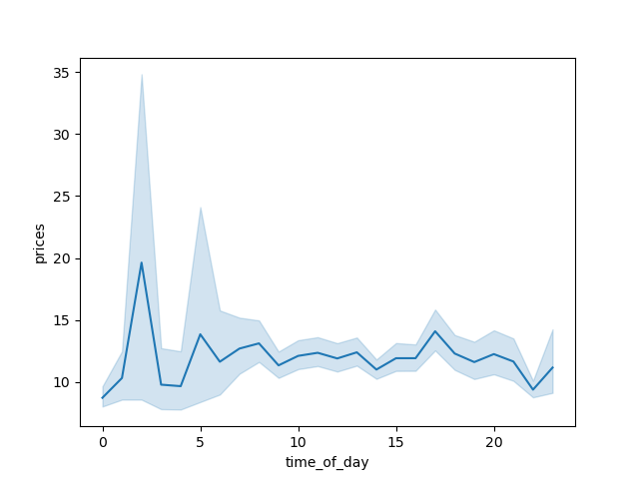

-The item purchased by the customer experience a peak around 2 am dunting the day.

3)Instacart has a lot of products with different price tags. Marketing and sales want to use simpler price range groupings to help direct their efforts.

4)Are there certain types of products that are more popular than others? The marketing and sales teams want to know which departments have the highest frequency of product orders.
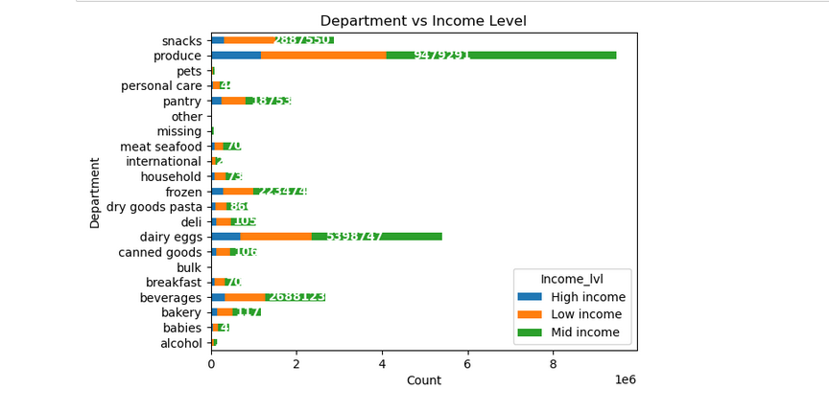

In this char we can notice that the top 3 department are , produce,dairy egg and snacks. this graph also shows the distribution of customer divided by income and their participation in each department.

What’s the distribution among users in regards to their brand loyalty (i.e., how often do they return to Instacart)?
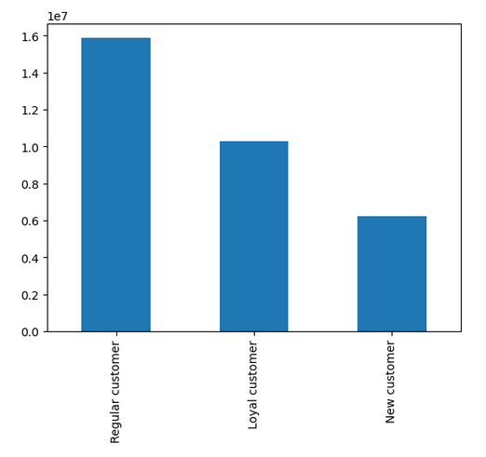

What different classifications does the demographic information suggest?
Age? Income? Certain types of goods? Family status?

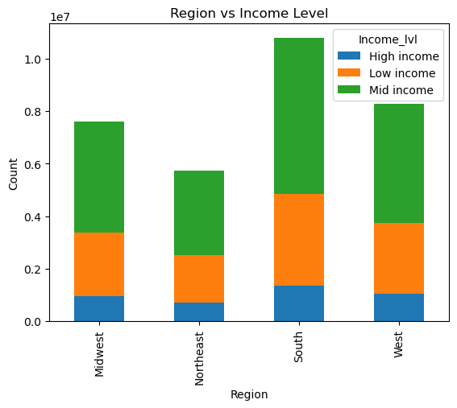
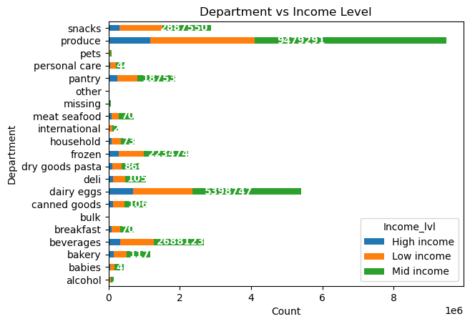

-As we can apreciate in the chars teh distribution of income by region and by department show a similar trend acording the income . Beside that if we compare the income against age we can noticea trend that show the income growth trough time

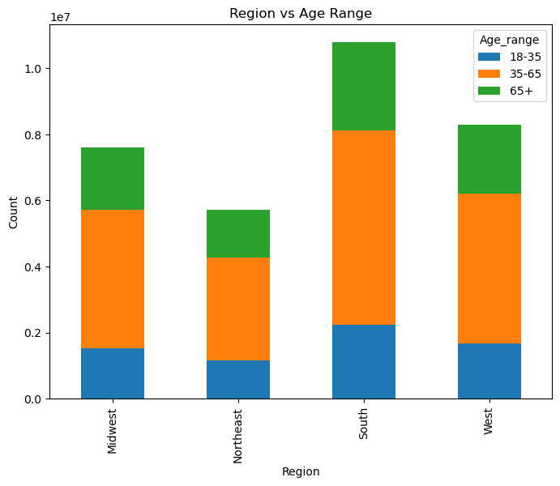
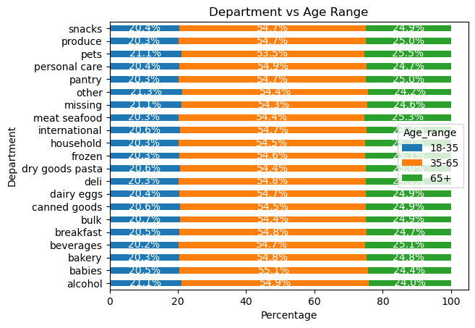
The demand of good is stable trough all ages groups, also the proportion of age range divided by region.

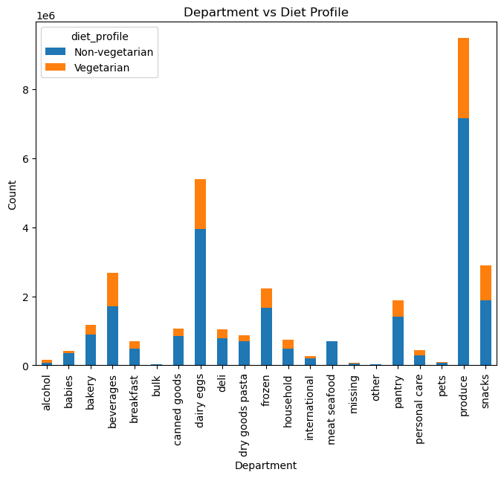
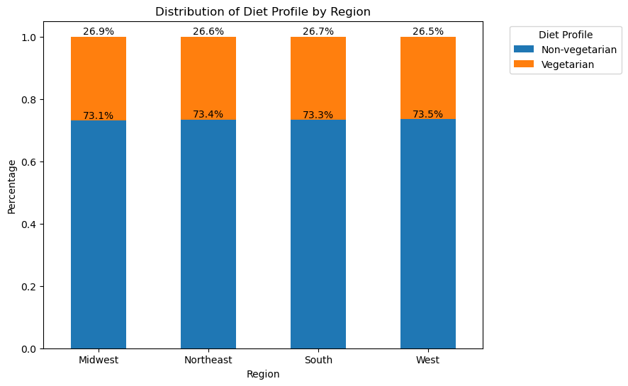

The distribuition of vegetarian is stable by region and also by department, expect the consume of meat and seafood that vegetarian by logic dont consume.

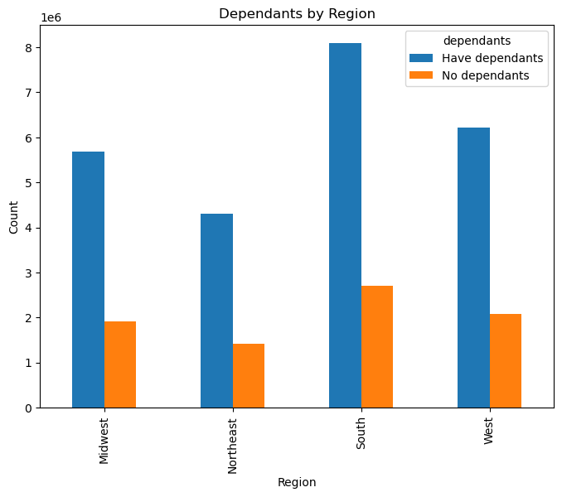
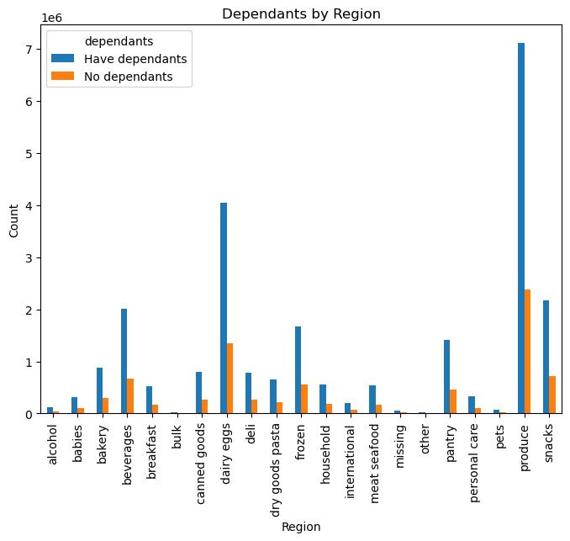
Department
We can apreciate the southern region have less family dependants for the size, the rest of region have a bigger proportion of family than singles.

Are there differences in ordering habits based on a customer’s region?

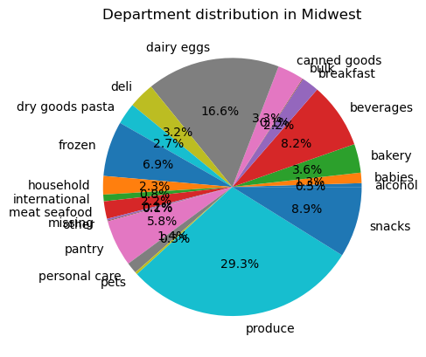

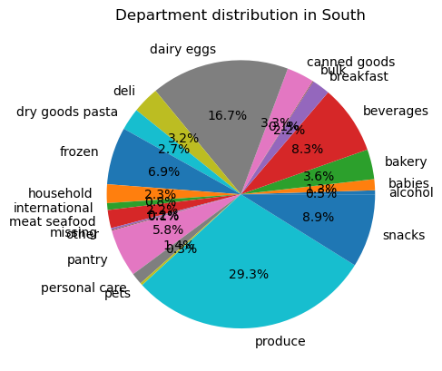
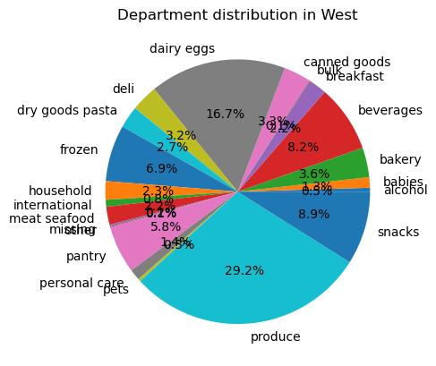

all the regions show similar trend in comsume

Loyalty flag vs frequncy of order

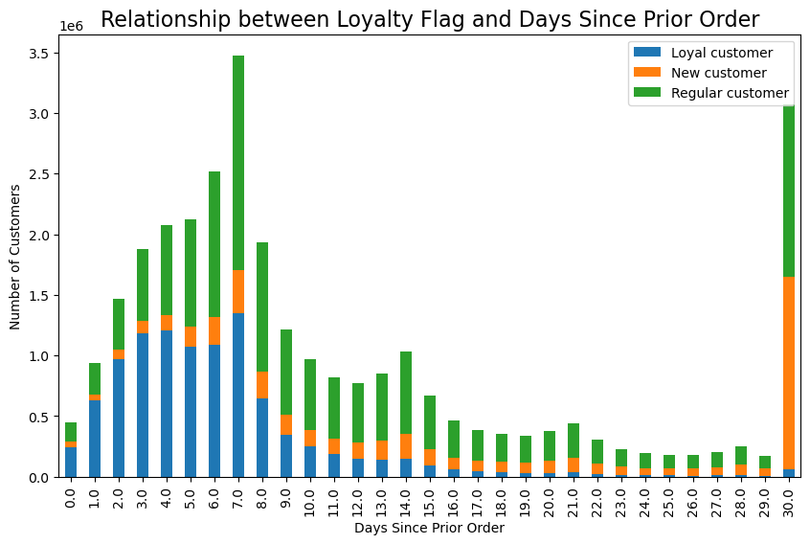
We can notice certain patterns in this char, we have peak in the lapse of 7 and 30 days , this mean that customer makes the purchase for week and for moth. Beside that loyal customer frequency is higher this mean they purchase more often than new arnd regular customer.

7. Recommendations
 |  |  |  | Title page

Recommendations

In this tab you should include any recommendations you would made to Instcart in terms of their marketing strategy based on the questions posed in the brief. Every key question has been covered in the Tasks of the Exercises - here you need to add an item - a visualisation or table/crosstable that is showing the answer in the data, acompanied by a comment from you. Please, list the questions below and add the answer underneath.

 | Question |  | Answer

 | The sales team needs to know what the busiest days of the week and hours of the day are (i.e., the days and times with the most orders) in order to schedule ads at times when there are fewer orders.
Answer: |  | The busiest days of the week as we can apreciate are Saturday and Sunday, and the less busiest are Tuesday and Thursday. The marketing team should focus in ads in the less busiest day in order to reach to reach more customer to the brand
 | They also want to know whether there are particular times of the day when people spend the most money, as this might inform the type of products they advertise at these times.
Answer: |  | We can notice a peak of prices around 2 am, the marketing team can track those items and advertise them around 12 am to 2 am, this can motivate more purchased of those items
 | Instacart has a lot of products with different price tags. Marketing and sales want to use simpler price range groupings to help direct their efforts.
Answer: |  | Instacar have extended range of price tags, beside that we clasify the products in 3 categories, "Low-range product" for prices between" $0-5, "Mid-range product" for prices between" $5-15,"High-range product" for prices over $15.
 | Are there certain types of products that are more popular than others? The marketing and sales teams want to know which departments have the highest frequency of product orders.
Answer: |  | The top 3 kinds of product that are more popular are produce,dairy egg and snacks. I Recommend to the marketing and sales team to research if is profitable to invest in this products or try to invest in other products whit higher profits.
 | Are there differences in ordering habits based on a customer’s region?
Answer: |  | All the regions shows a similar trend on ordering habits as is show in the char, as we expose previously as is not a difference I recommend to perform an regional study I order to understand the local habits in order to increase regional market and find new opportunities for the markets
 | What different classifications does the demographic information suggest? Age? Income? Certain types of goods? Family status
Answer: |  | As is posible to notice in the chars, for income lvl the mid income range is the one that represent the biggest proportion on sales, also we can notice that the older age group have a bigger proportion of high income. For age range, we see a stable trend in demand for all departments, and in regions we also observe similar propotions of age range, similar distribution. but if we analyse the proportion of vegetarian by income lvl we can notice that low income customer have more vegetarian than other groups My recomendation is to focus on mid range income in terms of ads, this represent the bigger slice of demand, also is recomendable to spend marketingeffort iin expensive product for the products for people older than 65, this group is the one that have more money so it can be profitable to focus on them.
 | What’s the distribution among users in regards to their brand loyalty (i.e., how often do they return to Instacart)?
Answer: |  | We can notice certain patterns in this char, we have peak in the lapse of 7 and 30 days , this mean that customer makes the purchase for week and for moth. Beside that loyal customer frequency is higher this mean they purchase more often than new arnd regular customer. I recomend to focus find the the days when the customer is going to make the purchase wfor week or month and advertise more profitable products or promotion for those day in order to increase the volume of sales

